Indices

 | Iraq Stock Exchange
 | Bulletin No (224)

 | ISX Trading Indices of Monday 15/12/2025

 | Traded Volume and OTC |  | 1,109,168,177 |  | Traded Value and OTC |  | 860,979,167 |  | Traders | 778
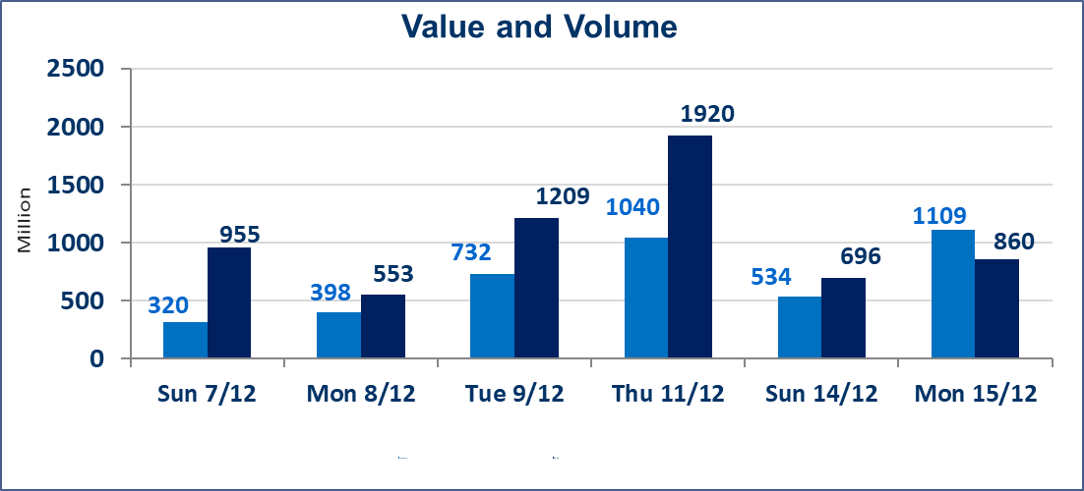
 | ISX Index 60 |  |  | 964.31 | ISX Index 15 |  |  | 1170.93
 | Previous ISX Index60 |  |  | 951.88 | Previous ISX Index15 |  |  | 1182.41
 | Change % |  |  | 1.31 | Change % |  |  | -0.97
 | Change |  |  | 12.43 | Change |  |  | -11.48

 | Listed Companies | 104 | OTC | 15 | Non Traded listed | 42 | OTC | 11
 | Traded Listed Companies | 48 | OTC | 2 | Higher Companies |  |  | 19
 | GAM Companies |  |  | 4 | Lower Companies |  |  | 13
 | Suspended Companies |  |  | 10
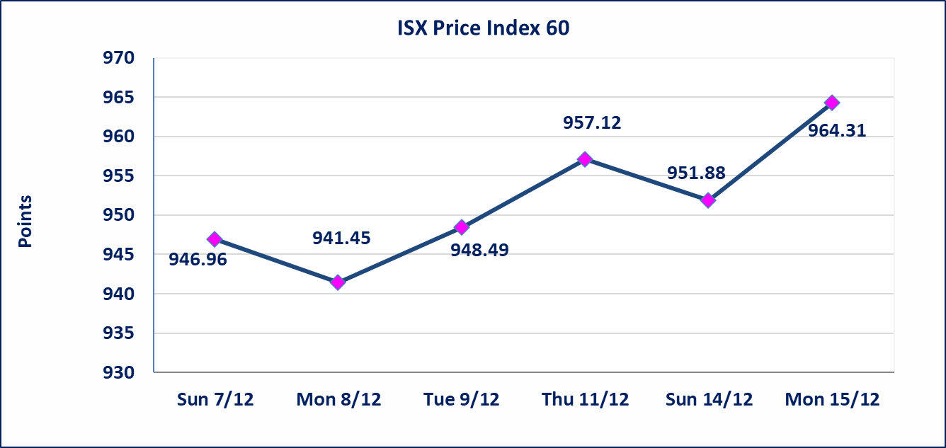
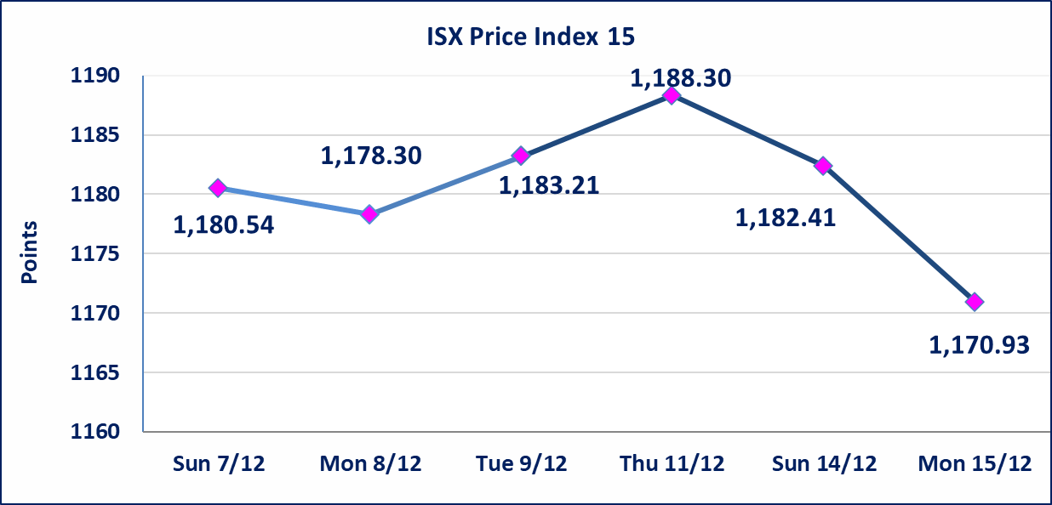

Al-Alwiya P.O . 3607 Mobile: 07711211522 - 07270094594 - 07834000034 E-mail: info-isx@isx-iq.net Web site:www.isx-iq.net

Top 5
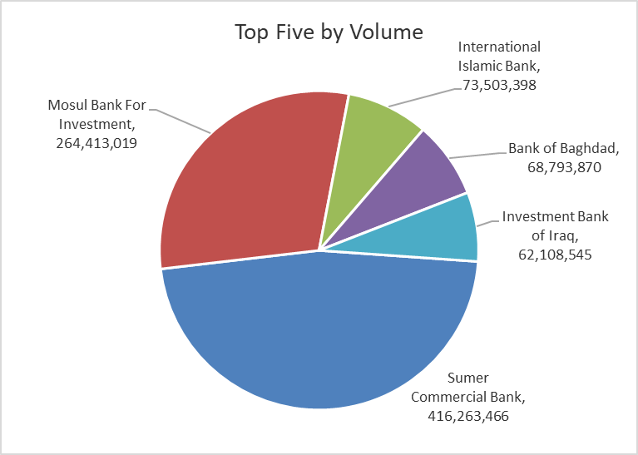
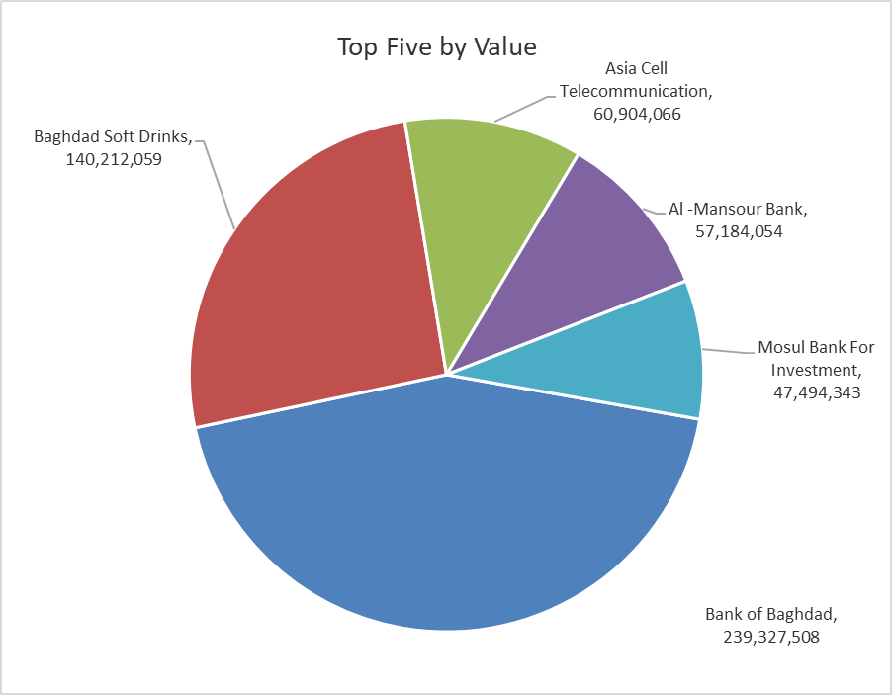
ISX top ganing and losing companies
Monday 15/12/2025
Gainers |  |  |  | Losers
Company Name | Closing Price | Change (%) | Traded Volume | Company Name | Closing Price | Change (%) | Traded Volume
Mansour Hotel | 50.250 | 14.99 | 811,904 | Al -Khazer Construction Materials | 1.200 | -7.69 | 1,006,500
Mosul Bank For Investment | 0.180 | 12.50 | 264,413,019 | Modern for Animal Production | 0.400 | -6.98 | 1,000,200
International Islamic Bank | 0.200 | 11.11 | 73,503,398 | Babylon Hotel | 99.000 | -5.71 | 1,000
Sumer Commercial Bank | 0.120 | 9.09 | 416,263,466 | Al-Ameen for Insurance | 0.850 | -5.56 | 3,000,000
Ashur International Bank | 0.280 | 7.69 | 31,317,882 | Al-Khatam Telecom | 3.100 | -4.62 | 23,015

The most active companies in term of traded volume and value

Traded Volume |  |  |  | Traded Value
Company Name | Closing Price | Change (%) | Traded Volume | Company Name | Closing Price | Change (%) | Traded Value
Sumer Commercial Bank | 0.120 | 9.09 | 416,263,466 | Bank of Baghdad | 3.480 | 0.58 | 239,327,508
Mosul Bank For Investment | 0.180 | 12.50 | 264,413,019 | Baghdad Soft Drinks | 5.290 | 2.12 | 140,212,059
International Islamic Bank | 0.200 | 11.11 | 73,503,398 | Asia Cell Telecommunication | 13.180 | 0.00 | 60,904,066
Bank of Baghdad | 3.480 | 0.58 | 68,793,870 | Al -Mansour Bank | 1.930 | -0.52 | 57,184,054
Investment Bank of Iraq | 0.240 | 0.00 | 62,108,545 | Mosul Bank For Investment | 0.180 | 12.50 | 47,494,343

OTC

Iraq Stock Exchange

Monday 15/12/2025
OTC Platform Trading Bulletin No (224)
Company Name | Code | highest price | lowest price | Average price | No.of Trades | Traded Volume | Traded Value
Banks Sector
Al-Warka Bank | BWAI | 0.080 | 0.070 | 0.080 | 4 | 10,155,000 | 762,400
Al-Sanam Islamic Bank | BSAN | 3.000 | 3.000 | 3.000 | 1 | 55,000 | 165,000
Total Of Banks Sector |  |  |  |  | 5 | 10,210,000 | 927,400
Total |  |  |  |  | 5 | 10,210,000 | 927,400

Not Trading OTC Companies
Company Name |  |  | Code |  | Previous Average price
Banks Sector
Hammurabi Commercial Bank |  |  | BHAM |  | ـــــــــــــــــــــــــــــــــــ
Industrial Sector
Kirkuk producing constructional materials |  |  | IKFP |  | 1.260
Money Service Sector
Rabee Securities |  |  | FRSE |  | 9.500
Karmal Brokerage |  |  | FKSX |  | 10.000
Ishtar Gate for e-Paymant |  |  | FISH |  | 1.000
Sama Baghdad Exchange |  |  | FSBE |  | ـــــــــــــــــــــــــــــــــــ
Iraqi Deposit Insurance Corporation |  |  | FIDI |  | ـــــــــــــــــــــــــــــــــــ
Insurance Sector
Kurdistan Insurance |  |  | NKUI |  | ـــــــــــــــــــــــــــــــــــ
Al Badia Insurance |  |  | NBAD |  | ـــــــــــــــــــــــــــــــــــ
Shatt Al Arab Insurance |  |  | NSHA |  | 1.000
Dilina Insurance Company |  |  | NDIL |  | ـــــــــــــــــــــــــــــــــــ

Non OTC

Iraq Stock Exchange
Non Iraqis' Bulletin Monday Dec 15 2025
Regular Market

Non Iraqi Trading of OTC (Sell)
Company Names | Code | No.of trades | Traded Shares | Trading Volume
Banks Sector
Warka Bank for inv.&Finance | BWAI | 2 | 5,130,000 | 410,400
Total Bank sector |  | 2 | 5,130,000 | 410,400
Grand Total |  | 2 | 5,130,000 | 410,400

